Sheet1
N. of Clusters | Silhouette Score | SSE |  |  | CL & Count
2 | 0.1781 | 24818.81 |  |  | 4 892 |  | K-means | With k = 3 S.Score: 0.19406727949468794
3 | 0.1941 | 20429.14 |  |  | 5 823 |  | Dbscan
4 | 0.1841 | 18544.35 |  |  | 3 762 |  | Hierarchy
5 | 0.1773 | 16954.80 |  |  | 2 674
6 | 0.1728 | 15820.98 |  |  | 0 614
7 | 0.1712 | 14803.18 |  |  | 1 592
 |  |  | Clusters | Records count
 |  |  | 0 | 1156
 |  |  | 1 | 1557
 |  |  | 2 | 1644

 |  |  |  |  |  |  |  |  | Methods | Silhouette Score
 |  |  |  |  |  | Hierarchical (Average) |  |  | K-means | 0.1647
 |  |  |  |  |  | Silhouette 0.16145 |  |  | Dbscan | 0.2419
 |  |  |  |  |  |  |  |  | Hierarchical | 0.1615
 |  |  |  |  |  | Hierarchical (Complete)
 |  |  |  |  |  | Silhouette 0.06041

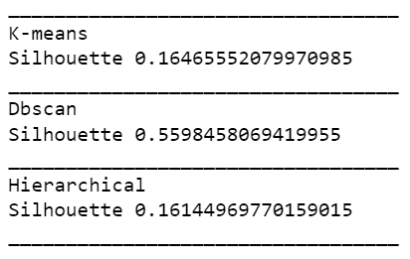
 |  |  |  |  |  | Hierarchical (Ward)
 |  |  |  |  |  | Silhouette 0.15887

 |  |  |  |  |  | Hierarchical (Single)
 |  |  |  |  |  | Silhouette 0.1651

